Cover sheet

 | Request for Expressions of Interest
 | Gavi Regional Manufacturing Strategy
 | EOI-GAVI-RMS-2024

Template
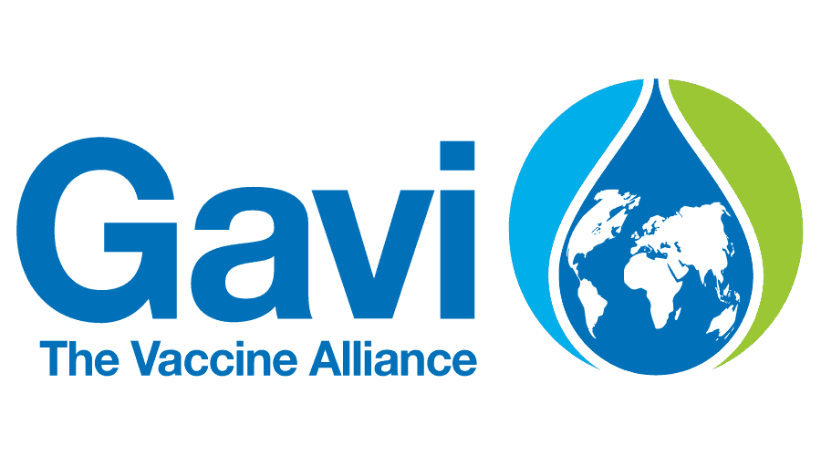

EOI-GAVI-RMS-2024 Indication sheet - Late Stage - Form A
For multiple Qualifying Vaccines, please complete a separate sheet for each planned vaccine

Date: | XX/XX/20XX
Respondent: | Manufacturer

1. Product Profile

Vaccine | Please indicate the vaccine name and abbreviation
Presentation | Please indicate the number of doses per container and container type (e.g. 1 dose per vial, glass vial/blow fill seal/syringe)
Formulation | Please indicate the product formulation (e.g. liquid, lyophilized)
Expected Market Authorisation holder | Please indicate the company registered name of the product's expected Market Authorisation Holder
Expected WHO prequalification holder | Please indicate the company registered name of the product's expected WHO prequalification Holder
Technology transfer partner(s) | Please indicate any technology transfer partners, the transfer they are undertaking, and the name of the originator product
Product dependencies | Please list other critical inactive components (e.g. adjuvants) and their source; and indicate if they are constrained

2. Manufacturing Locations

Manufacturing site location | Please indicate the location (city, region/state/province, country) of the site(s) where the product is manufactured, including those owned or contracted by any product originator
Drug Substance manufacture (Yes/No) | Please indicate if Drug Substance manufacture, defined as the process of manufacturing every constituent antigen of a vaccine, is carried out in Africa
Fill & Finish manufacture (Yes/No) | Please indicate if Fill & Finish, defined as the process of filling vials (or equivalent final container) with formulated drug substance with or without subsequent intermediate and final packaging, is carried out in Africa

2a. If Drug Substance manufacture is planned
Manufacturing steps performed | Please indicate the broad manufacturing steps performed (e.g. upstream processing, mid-stream processing, downstream purification)
Owner of the Drug Substance production site | Please indicate the company name of the Drug Substance production site owner. If Drug Substance manufacture is carried out by a partner, please indicate the name of the partner and the relationship to the Respondent, e.g. Company Name (Contract Manufacturing Organisation)
Location of the Drug Substance production site | Please indicate the site location (city, region/state/province, country) relevant to the owner indicated above
Drug Substance technology platform used | Please indicate the technology platform used from the dropdown (e.g. viral vector)
 | If 'other', please specify
Anticipated capacity (doses) | Please indicate the maximum anticipated capacity in doses for the product (e.g. 100 million doses)

2b. If Fill & Finish manufacture is planned
Manufacturing steps performed | Please indicate the manufacturing steps performed (e.g. formulation, filling, capping & sealing, labelling)
Owner of the Drug Product production site | Please indicate the company name of the Drug Product production site owner. If Drug Product manufacture is carried out by a partner please indicate the name of the partner and the relationship to the Respondent, e.g. Company Name (Contract Manufacturing Organisation)
Location of the Drug Product production site | Please indicate the site location (city, region/state/province, country) relevant to the owner indicated above
Please indicate the anticipated capacity for this product | Please indicate the maximum anticipated capacity in doses for the product (e.g. 100 million doses)
Percentage of line capacity dedicated to the Qualifying Vaccine | Please indicate the percentage or fraction of the total line capacity dedicated to this product (e.g. 30%)
Filling machine speed (vials per minute) | Please indicate the speed of the relevant filling machines in 2R vials (or equivalent) per minute (e.g. 200 vials per minute)

3. Anticipated Timelines

3a. Please indicate the anticipated timelines for the facility relevant to this product, including:
Expected date for facility completion | Year
Facility operational commissioning started | Year
Final first product process performance qualification completed | Year

3b. Product filing and commercialisation
Expected date to submit product filing with the relevant national regulatory authority | Year
Expected date to receive local registration | Year
Expected date to submit an application to WHO for prequalification | Year
Anticipated market for the specific product | e.g. Gavi-UNICEF, domestic, regional, markets outside Africa

