START
 | Tool for quantifying cholera rapid diagnostic test (RDT) requirements

WELCOME
This Excel calculates Rapid Diagnostic Test (RDT) quantities needed for annual testing based on a standard formula - logic shown below.
Using this methodology is optional - countries are welcome to use country-developed alternatives and describe their logic in the |  |  | application form
Please navigate to the 'CALCULATOR' tab to start
If any questions, please reach out to |  | diagnostics@gavi.org
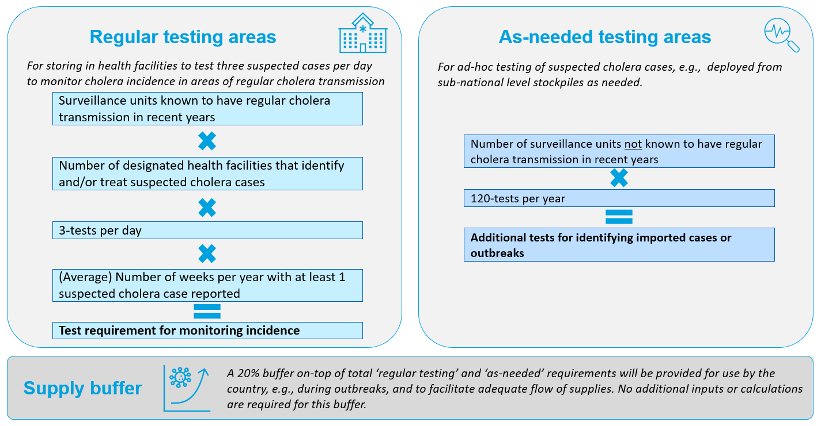

CALCULATOR
 |  | Tool for quantifying cholera rapid diagnostic test (RDT) requirements

INSTRUCTIONS
Before you start using this tool, download and save the file in your computer.
Light blue cells are for inputs; dark blue cells are outputs that automatically calculate based on inputs.
1. Table 1 - facility-based testing: Complete inputs on surveillance unit names, historic suspectd cholera cases (if known), and health facility data in light blue cells.
2.Table 2 - as needed testing: Enter the number of surveillance units nationwide that are not included in regular testing.
3. Output - Copy the output total testing requirement (cell M16) into the application form

(1) Test requirements for facility-based testing in regular testing surveillance units |  |  |  |  | (2) Test requirements for as needed testing in other surveillance units |  |  | (3) Total testing requirements
Surveillance unit name | Number of suspected cholera cases in latest available year, e.g., 2022 | Number of identification/ treatment health facilities in surveillance unit | (Average) number of weeks per year with at least one suspected cholera case reported in surveillance unit | Testing requirement (annual) | Number of surveillance units (not including those in part 1) | Test provision per district | Testing requirement (annual) | Facility-based | -
Manual entry | Manual entry | Manual entry | Manual entry (0-52) | Calculation | Manual entry | Standard formula | Calculation | As needed | -
 |  |  |  | - |  | 120 | - | Buffer | -
 |  |  |  | - |  |  |  | Total | -
 |  |  |  | -
 |  |  |  | -
 |  |  |  | -
 |  |  |  | -
 |  |  |  | -
 |  |  |  | -
 |  |  |  | -
 |  |  |  | -
 |  |  |  | -
 |  |  |  | -
 |  |  |  | -
 |  |  |  | -
 |  |  |  | -
 |  |  |  | -
 |  |  |  | -
 |  |  |  | -
 |  |  |  | -
 |  |  |  | -
TOTAL | - | 0 |  | -
Click + to expand if more districts needed

