Stand-alone EAF Instructions
Instructions for completing and submitting a stand-alone EAF request (outside of an FPP request)

1 | Plan Timeline | 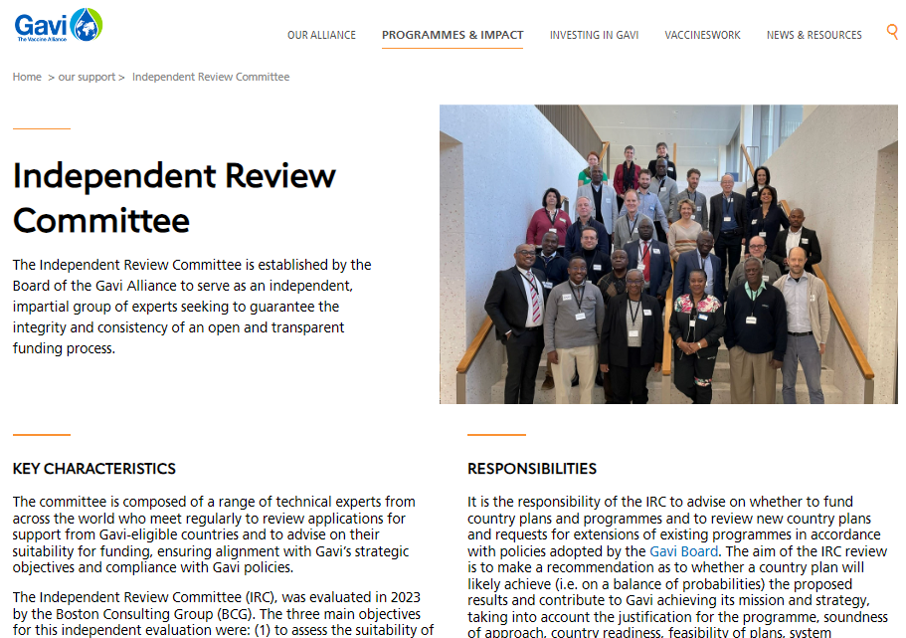 | Plan your submission according to the IRC application submission deadlines which can be found on the Gavi website. | 6 | EAF Workplan | 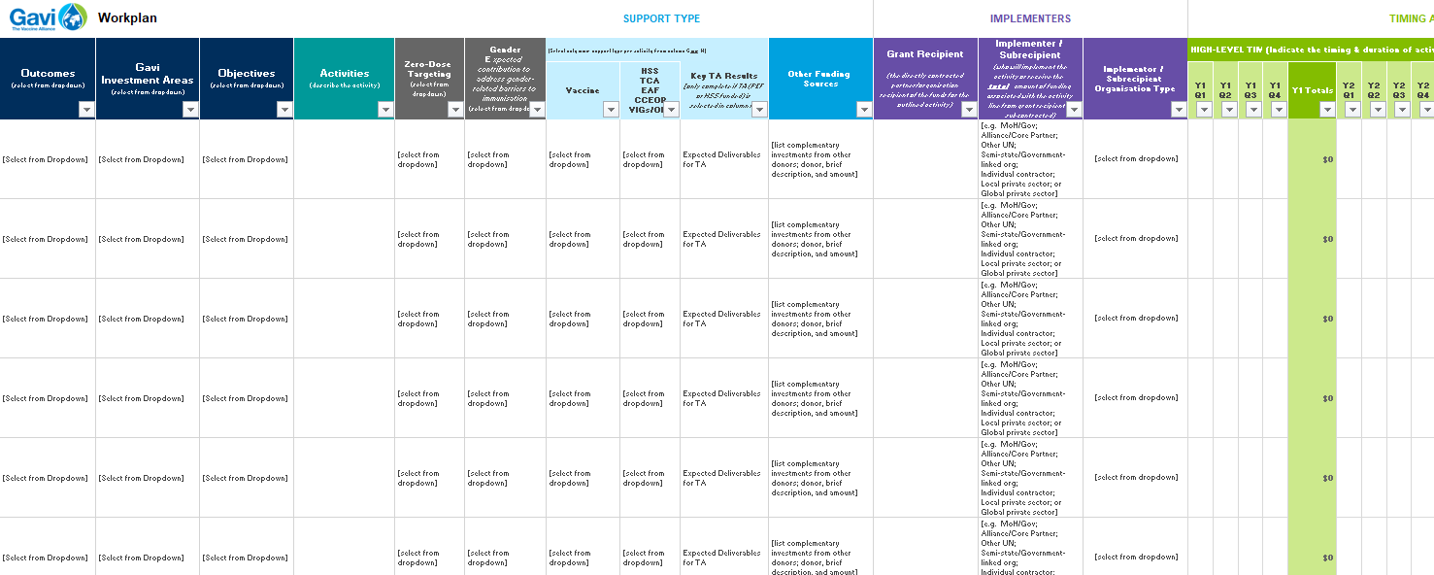 | Complete a workplan mapping activities to be funded. The workplan template for a standalone EAF request can be found as an enclosed tab here.
 |  |  | https://www.gavi.org/programmes-impact/our-support

2 | Request & Review Materials |  | Submit your stand-alone EAF request by uploading your final documents to a tailored application folder which will be provided to you by Gavi (please ask your SCM for access to this folder). | 7 | Grant-Linked KPIs & Learning | 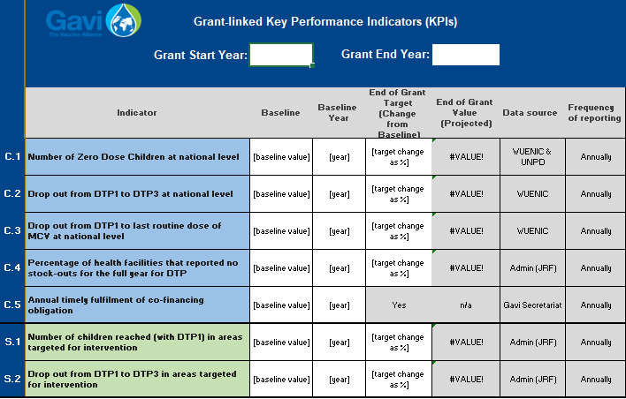 | Complete the Grant-linked KPIs & Learning tab enclosed here

3 | Situational Analysis | 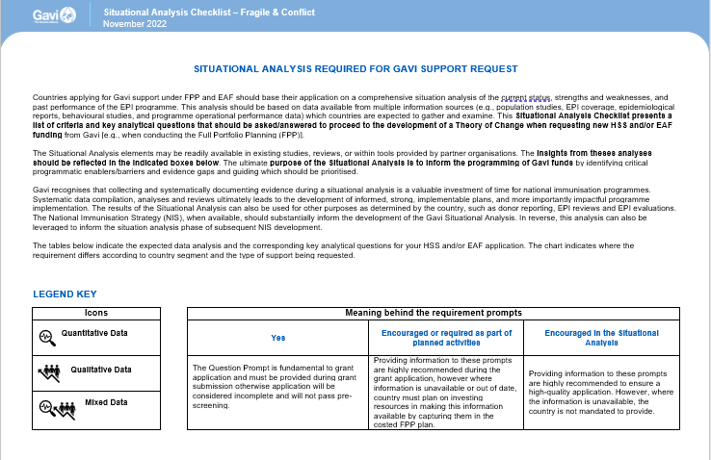 | Review and complete the Situational Analysis Checklist for your EAF support. | 8 | Targeted Areas | 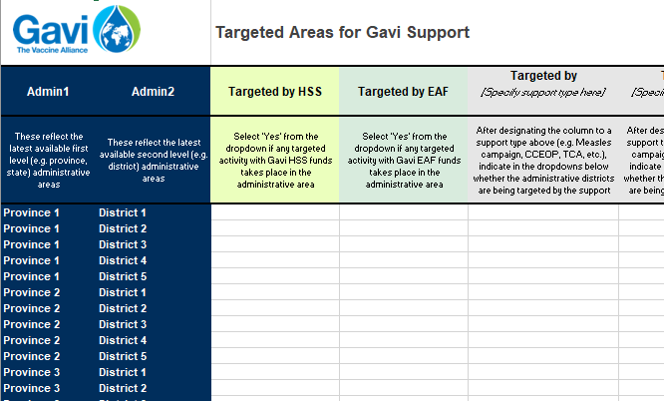 | Identify where EAF funding will be targeted. To do so, please connect with your SCM for a pre-populated tab that lists provinces & districts.
 |  | Situational Analysis Checklist | https://www.gavi.org/our-support/guidelines#checklist

4 | Theory of Change |  | Develop a Theory of Change specifically for 'how' Gavi EAF funding can help you to reach zero-dose children/communities. You can use whatever template you would like to capture your Theory of Change. Two options are provided below for your use. | 9 | Detailed Budget | 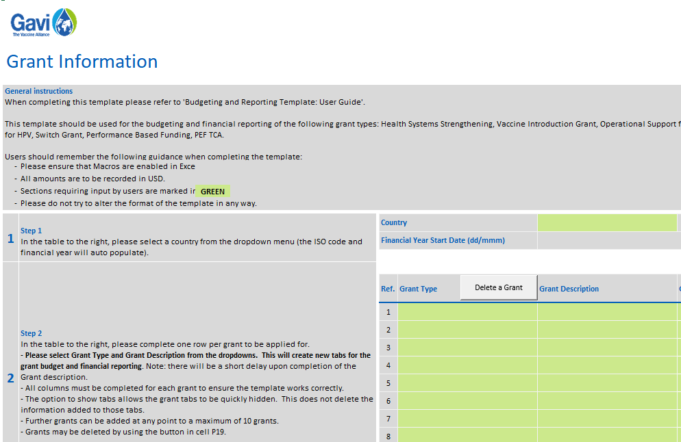 | Complete a detailed budget to accompany your request.
 |  | Theory of Change Instructions | https://www.gavi.org/news/document-library/theory-change-gavi-support-instructions |  |  | Budget Eligibility Guide | https://www.gavi.org/news/document-library/gavi-budget-eligibility-guide
 |  | Theory of Change Template - Option 1 | https://www.gavi.org/news/document-library/theory-change-template-1 |  |  | Budgeting & Reporting Template User Guide | https://www.gavi.org/news/document-library/gavi-budgeting-reporting-template-user-guide
 |  | Theory of Change Template - Option 2 | https://www.gavi.org/news/document-library/theory-change-template-2 |  |  | Gavi Budgeting & Reporting Template | https://www.gavi.org/news/document-library/gavi-budgeting-reporting-template

5 | Strategic Narrative | 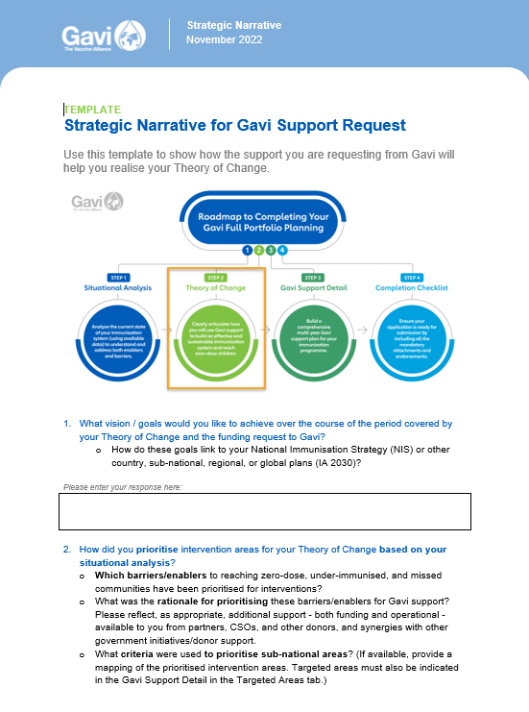 | Draft a strategic narrative to supplement your Theory of Change and provide a robust analysis around 'where' and 'who' zero-dose children/communities are. Concretely identifying where zero-dose children/communities are is critical to accessing EAF. | 10 | Signatures | 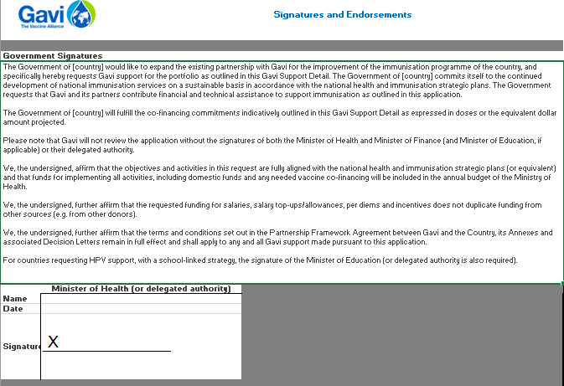 | Secure signatures on the enclosed sheet
 |  | Strategic Narrative Template | https://www.gavi.org/news/document-library/template-strategic-narrative

